Employee Data
Question 6: Create a worksheet titled 'Employee Data' with columns: Name, Age, Department. Add 5 rows of data.

Format as follows:

● Bold and center-align the header row

● Apply a fill color

● Auto-fit column width

(Include a screenshot showing your formatted table.)

 |  |  | Employee Data
Answer: |  | Name | Age | Department
 |  | Tanu | 25 | Finance
 |  | Manu | 28 | Marketing
 |  | Shanu | 24 | Sales
 |  | Harsh | 30 | Operations
 |  | Shakti | 21 | HR

Question 7: Demonstrate how to insert and delete multiple rows and columns in Excel.
Answer: |  | Select multiple rows or columns: To insert, for example, three new rows, select three existing rows. To insert two columns, select two columns.
 |  | Right-click: Right-click on any of the selected row numbers (for rows) or column letters (for columns).
 |  | Select multiple rows or columns: To insert, for example, three new rows, select three existing rows. To insert two columns, select two columns. |  |  | delete, | , for example, select three existing rows, then right click select delete the row and columns
 |  | Right-click: Right-click on any of the selected row numbers (for rows) or column letters (for columns).

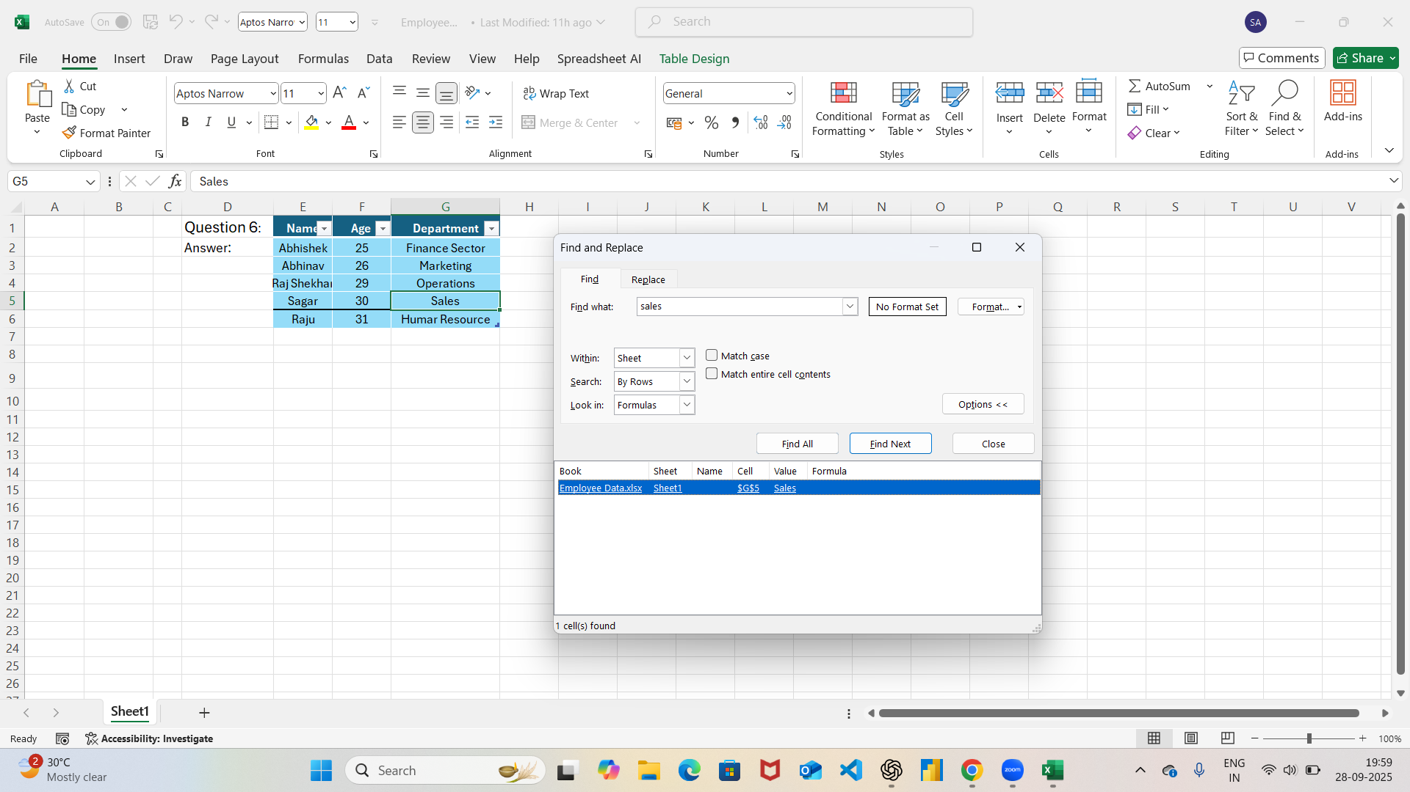
Question 8: Use Excel's 'Find and Replace' feature to update department names in a sample table.
Answer:

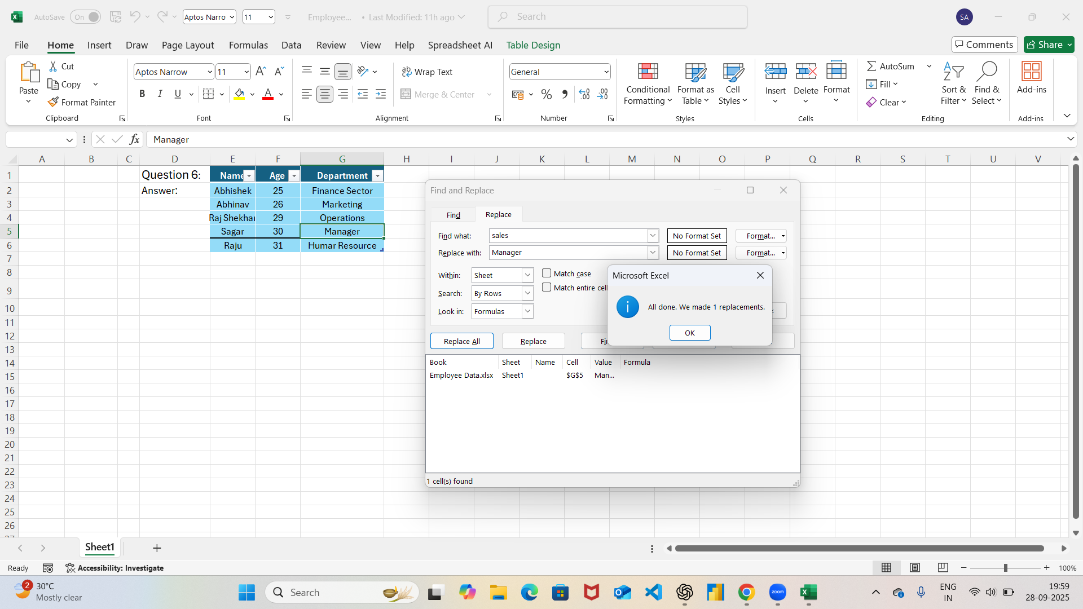

 | Question 9: Create a small numerical dataset and apply the following functions:

 | ● AVERAGE

 | ● MAX

 | ● MIN

 | (Include a screenshot showing the formulas and their results.)

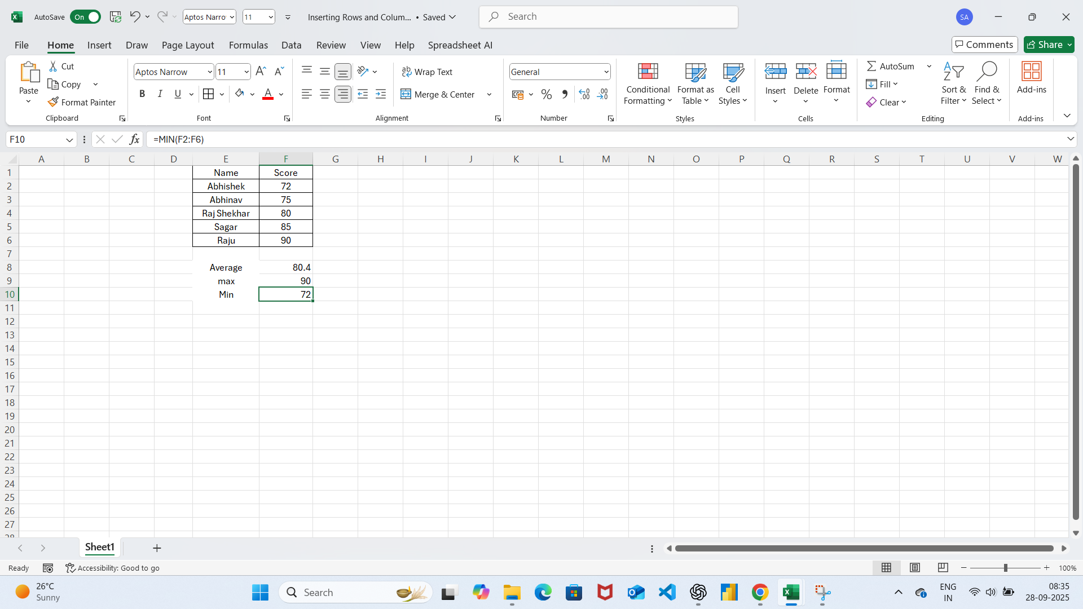
 | Answer:

 | Question 10: You're working with a dataset that contains missing values. As a Data Scientist, explain how you'd detect and handle missing data using Excel.

 | Mention tools like:

 | ● Go To Special

 | ● ISBLANK

 | ● COUNTBLANK

 | (Include a screenshot showing how blanks are identified or processed.)

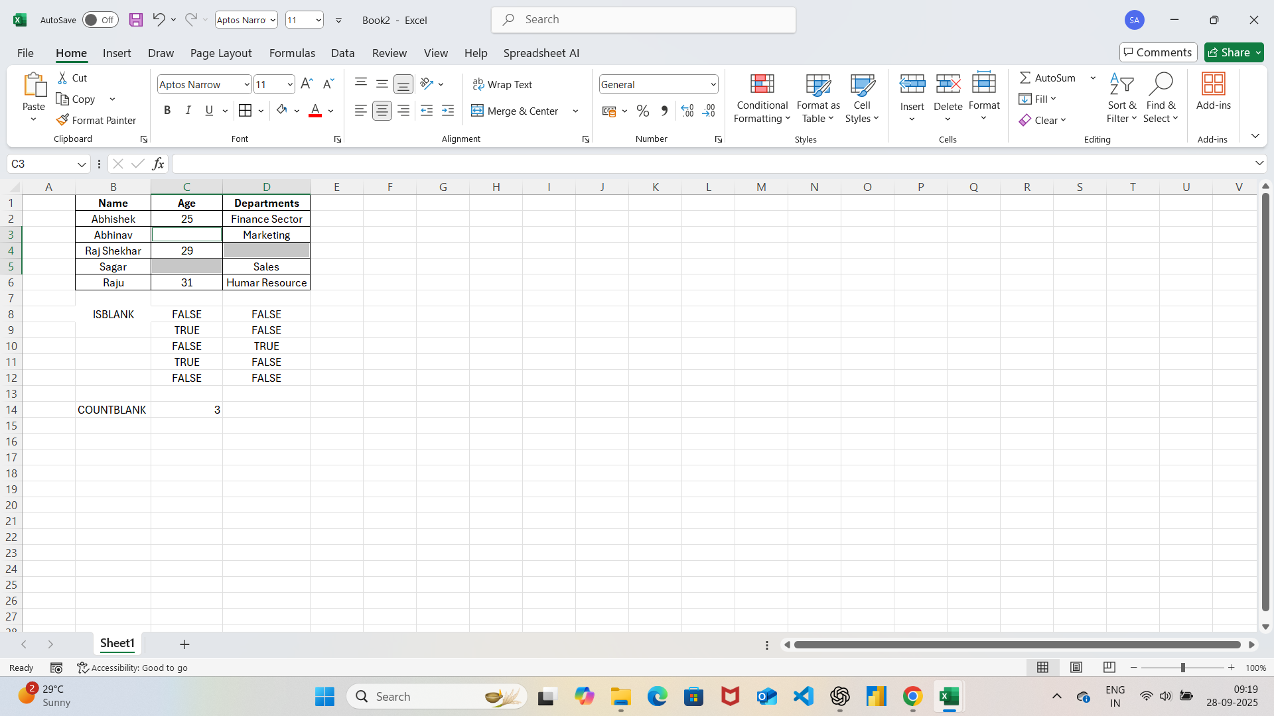
 | Answer:

